Instructions
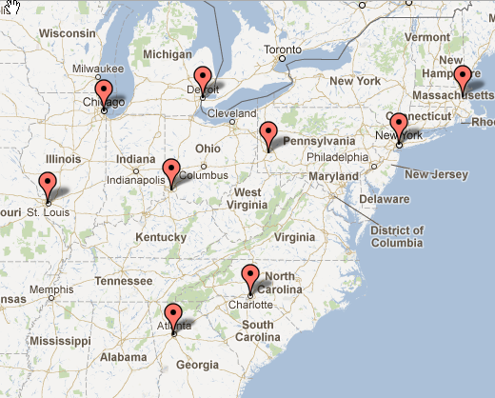
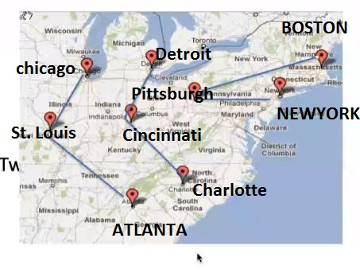
Objective
Constraints
Baseline Network Design
Multiple Stop Network Design
Transport Constraints - One Truck, Two Trucks

